Sheet1
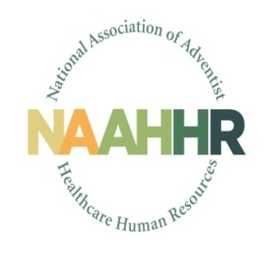 |  | 2019 Business Partner Registration

Conference Information
 | Dates: |  | September 20 - 21, 2019
 | Location: |  | Hyatt Regency, Chicago

Registration
 | Company Name:
 | Primary Contact Name:
 | Address:
 | Email:
 | Phone:
 | Sponsorship Selection: |  | Please select one. See below for payment information
 | Attendee Name:
 | Attendee Name:

Friday, September 20 (7:30am to 4:30pm)
 | Breakfast |  | How many will join us? Select one
 | Lunch |  | How many will join us? Select one
 | Dinner |  | How many will join us? Select one

Saturday, September 21
 | Breakfast |  | How many will join us? Select one
 | Activity & Lunch |  | How many will join us? Select one
 | Dinner |  | How many will join us? Select one

Payment & Confirmation
 | Email this form to: |  | LindseNV@ah.org
 | Make check payable to: |  | NAAHHR
 | Mail check to: |  | Tillamook Regional Medical Center
 |  |  | Human Resources Department
 |  |  | Attention: Nathan Linsdey, Director of HR
 |  |  | 1000 3rd Street
 |  |  | Tillamook, OR 97141

